David
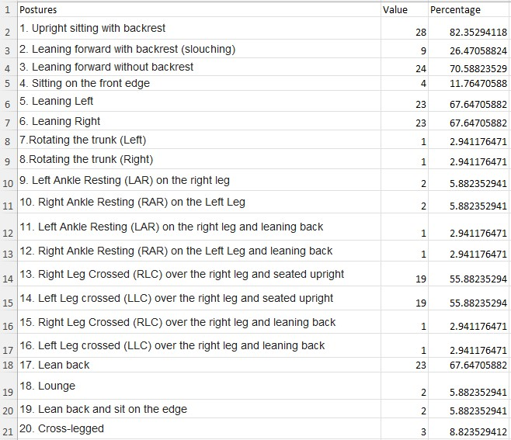

82.051282051 | 83 | 1
25.641025641 | 27 | 8
71.794871795
10.256410256 | 71 | 2
69.230769231 | 12 | 9
69.230769231 | 68 | 3
2.5641025641 | 68 | 4
2.5641025641 | 3
5.1282051282
5.1282051282 | 3
2.5641025641 | 6 | 11
2.5641025641
46.153846154 | 6 | 12
46.153846154 | 3
2.5641025641
2.5641025641 | 3
66.666666667 | 56 | 6
5.1282051282
7.6923076923 | 56 | 7
7.6923076923 | 3 | 15

 | 3 | 16
 | 68 | 5

 | 6 | 13
 | 6 | 14
 | 9 | 10

3%
33 |  | Popularity

 | Total

0.03 | 0.97

6%
33 |  | Popularity

 | Total

0.06 | 0.94

9%
33 |  | Popularity

 | Total

0.09 | 0.91

12%
33 |  | Popularity

 | Total

0.12 | 0.88

27%
33 |  | Popularity

 | Total

0.27 | 0.73

56%
33 |  | Popularity

 | Total

0.56 | 0.44

68%
33 |  | Popularity

 | Total

0.68 | 0.32

71%
33 |  | Popularity

 | Total

0.71 | 0.29

82%
33 |  | Popularity

 | Total

0.82 | 0.18

